Total Budget
Budget Overview
Main Applicant |  | Carlos Melian
Co-Applicant |  | Victor Eguiluz

Project Type | Other, please specify | AI for Earth innovation National Geographic and microsoft research

Project Title | Deep process-based learning networks for Biodiversity research

Project Duration | (from to) | 01.03.2020-31.01.2021
 | (in months) | 11

Subject to VAT | No | (will be filled in by Finance Department)

Subject to Overhead | Yes | (will be filled in by Finance Department)

Credit No. (if available) |  | (will be filled in by Finance Department) |  |  | Calculation checked by

Profit Center | 1250 Carlos Melian | (will be filled in by Finance Department) |  |  | Date

Cost Overview (CHF) | Year
 | 2019 | 2020 | 2021 | 2022 | 2023 | 2024 | 2025 | Total | control
Personnel Expenses | 0 | 68,899 | 7,335 | 0 | 0 | 0 | 0 | 76,234 | 0
Machines |  |  |  |  |  |  |  | 0 | 0 | please spread
Consumables |  |  |  |  |  |  |  | 0 | 0 | according to
Travel and Field Expenses |  |  | 2,000 |  |  |  |  | 2,000 | 0 | expected
Other |  |  |  |  |  |  |  | 0 | 0 | spending
Subtotal I | 0 | 68,899 | 9,335 | 0 | 0 | 0 | 0 | 78,234 | 0
Overhead | 0 | 10,335 | 1,400 | 0 | 0 | 0 | 0 | 11,735 | 15.00%
Subtotal II | 0 | 79,234 | 10,736 | 0 | 0 | 0 | 0 | 89,969
VAT (7.7%) | 0 | 0 | 0 | 0 | 0 | 0 | 0 | 0
Total (CHF) | 0 | 79,234 | 10,736 | 0 | 0 | 0 | 0 | 89,969
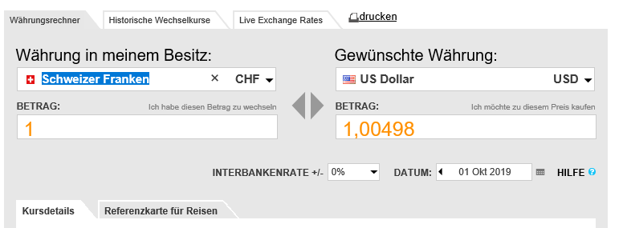
Foreign Currence | US$
Currency Exchange Course | 0.90 | abzüglich 0.10 Rappen

Cost Overview (Foreign Currency) | Year
 | 2019 | 2020 | 2021 | 2022 | 2023 | 2024 | 2025 | Total
Personnel Expenses | 0 | 76,133 | 8,105 | 0 | 0 | 0 | 0 | 84,238
Machines | 0 | 0 | 0 | 0 | 0 | 0 | 0 | 0
Consumables | 0 | 0 | 0 | 0 | 0 | 0 | 0 | 0
Travel and Field Expenses | 0 | 0 | 2,210 | 0 | 0 | 0 | 0 | 2,210
Other | 0 | 0 | 0 | 0 | 0 | 0 | 0 | 0
Subtotal I | 0 | 76,133 | 10,315 | 0 | 0 | 0 | 0 | 86,448
Overhead | 0 | 11,420 | 1,547 | 0 | 0 | 0 | 0 | 12,967
Subtotal II | 0 | 87,553 | 11,863 | 0 | 0 | 0 | 0 | 99,416
VAT (7.7%) | 0 | 0 | 0 | 0 | 0 | 0 | 0 | 0
Total (Foreign Currency) | 0 | 87,553 | 11,863 | 0 | 0 | 0 | 0 | 99,416

